List1
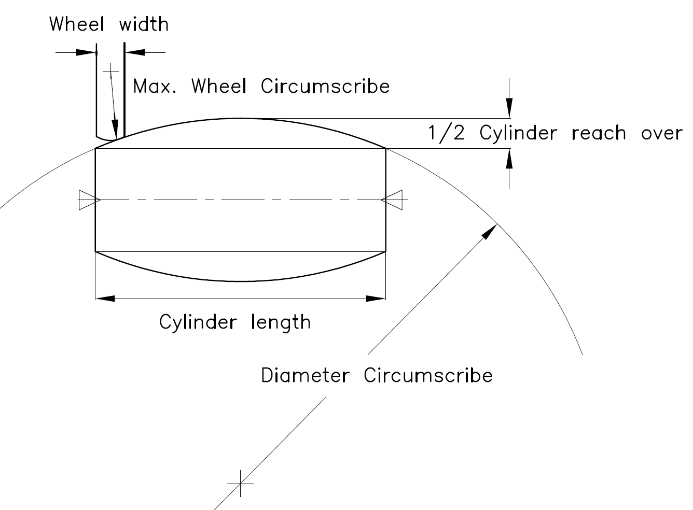

Cylinder length
2.0 | m

Cylinder reach over
0.100 | mm

Diameter Circumscribe
10 | km

Wheel width
100 | mm

Wheel reach over min.
0.005 | mm

Wheel Cirkumscribe max.
500 | m

